Sheet1
 | Document No. |  | Issue No. | Issue Date |  |  | Review and Replace Date |  | Authorised By
 | GFF130MC |  | 1 | 01.10.2019 |  |  | New Issue
 | Document Title |  | 8 STICKY YAKITORI CHICKEN KEBAB 210g
 | New product launch |  |  |  |  | Page |  | 1 of 1 | Magda Shah
Document amendments reason for change |  |  |  |  |  | Previous Issue Date |  | New Issue | Uncontrolled copy unless signed original

CYOKIB1-R1TEB |  | BOOTHS - XMAS |  |  | 8 STICKY YAKITORI CHICKEN KEBAB 210g
STEP 1 |  |  |  | STEP 2
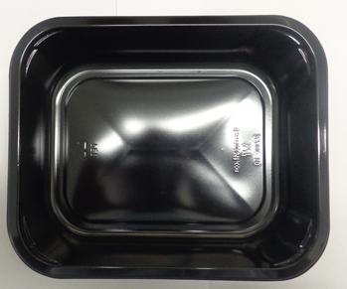 |  |  |  | 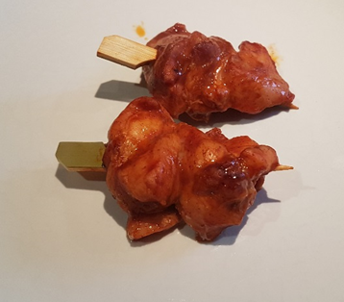

Tray: 2200-1E (PKRHP001-05) |  |  |  | 8 x Sticky Yakitori Chicken Kebab (GFF285R) 160g
Film: 380x500x25OLAF (PKWRA001-02) (WRAPID)
STEP 3 |  |  |  |  |  | STEP 4
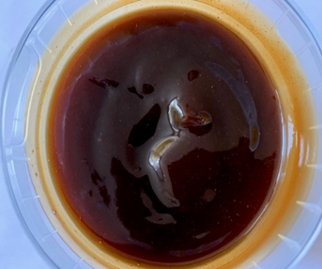 |  |  |  |  |  | 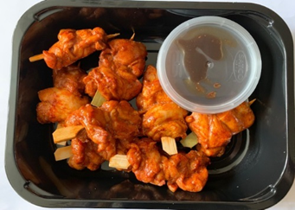

DEFROST DAY + 10 DAYS

Yakitori Glaze (GFF286R) 50g |  |  |  |  |  | TOTAL WEIGHT: 210g
SATCO CONTAINERS (PKKAV001-17)
ALLERGY ALERT: SOYA, WHEAT

